Knockout Draw
2023 BRITISH AMATEUR SINGLES CHAMPIONSHIP
 | FIRST ROUND |  | ROUND OF 16 |  | QUARTER FINAL |  |  |  | SEMI FINAL |  |  | FINAL
Sat 18th Nov 1000
(1) Rory Giddins

Henry Britton |  |  | Tues 21st Nov 1930
 |  |  |  | 15/1 15/6 15/3
 |  |  |  | Rory Giddins
Thur 16th Nov 2030 |  |  |  | Hector Hardman
Lewis Symonds |  |  |  | 15/10 15/13 15/9
 |  |  |  |  |  | Fri 24th Nov 1945
Hector Hardman
 |  |  |  |  |  | 15/1 15/4 15/8
 |  |  |  |  |  | Rory Giddins
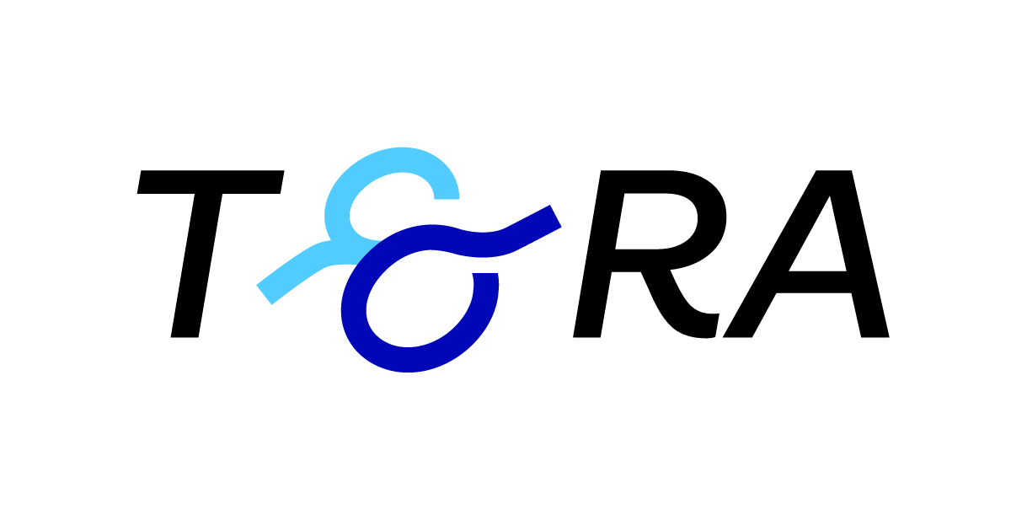
Sat 18th Nov 1230 |  |  |  |  |  | Daniel Holland
Theo Taylor |  |  |  |  |  | 15/12 15/13 15/10

Daniel Holland |  |  | Wed 22nd Nov 2030
 |  |  |  | 15/8 13/15 9/15 15/5 15/4
 |  |  |  | Daniel Holland
Sat 18th Nov 1500 |  |  |  | Alastair Gourlay
(8) Alastair Gourlay |  |  |  | 15/12 15/8 15/12 |  |  | Sat 25th Nov 1300

Alex Holbourn
 |  |  |  |  |  |  |  | 15/6 15/1 15/8
 |  |  |  |  |  |  |  | Rory Giddins
Sat 18th Nov 1115 |  |  |  |  |  |  |  | Ben Stevens
(5) Ben Stevens |  |  |  |  |  |  |  | 15/7 15/13 retired

Oliver Cooke |  |  |  | Sun 19th Nov 1345
 |  |  |  | 16/14 15/12 15/12
 |  |  |  | Ben Stevens
Fri 17th Nov 1830 |  |  |  | Will Hardman
Will Hardman |  |  |  | w/o
 |  |  |  |  |  | Thu 23rd Nov 1830
Sam Corbett
 |  |  |  |  |  | 15/1 15/4 15/6
 |  |  |  |  |  | Ben Stevens
Thu 16th Nov 1930 |  |  |  |  |  | Mark Farmiloe
James Telling |  |  |  |  |  | 15/0 15/2 15/2

James Blackburn |  |  | Sun 19th Nov 1730
 |  |  |  | 15/1 15/11 15/11
 |  |  |  | James Telling
Sat 18th Nov 1615 |  |  |  | Mark Farmiloe |  |  |  |  |  |  | Sun 26th Nov 1400
(4) Mark Farmiloe |  |  |  | 7/15 15/3 15/7 15/5

Alexander Rozier-Pamplin |  |  |  |  |  |  |  |  |  |  |  | 15/9 15/5 15/5
 |  |  |  |  |  |  |  |  |  |  |  | Rory Giddins
 |  |  |  |  |  |  |  |  |  |  |  | Julius Manton-Jones
Sun 19th Nov 1845 |  |  |  |  |  |  |  |  |  |  |  | 15/7 15/9 15/8
(3) Tom Stevens

Alexander Hume |  |  | Tues 21st Nov 2030 |  |  |  |  |  |  | CHAMPION
 |  |  |  | 15/3 15/1 15/5
 |  |  |  | Tom Stevens
Sun 19th Nov 1000 |  |  |  | Thomas Astley
Thomas Astley |  |  |  | 15/5 15/5 15/9
 |  |  |  |  |  | Fri 24th Nov 1830
Claire Fahey
 |  |  |  |  |  | 15/5 15/13 15/3
 |  |  |  |  |  | Tom Stevens
Thu 16th Nov 1830 |  |  |  |  |  | Henry Faber
Henry Faber |  |  |  |  |  | 4/15 15/12 13/16 15/13 15/12

Jack Bunn |  |  | Wed 22nd Nov 1930
 |  |  |  | 15/4 15/2 15/4
 |  |  |  | Henry Faber
Sat 18th Nov 1730 |  |  |  | Angus Giddins
(6) Angus Giddins |  |  |  | 15/2 15/9 9/15 15/2

Tom Loup |  |  |  |  |  |  |  | Sat 25th Nov 1100
 |  |  |  |  |  |  |  | 15/11 15/13 15/5
 |  |  |  |  |  |  |  | Tom Stevens
Sun 19th Nov 1615 |  |  |  |  |  |  |  | Julius Manton-Jones
(7) Igor Utkin

Dylan Kent |  |  | Wed 22nd Nov 1830
 |  |  |  | 15/9 8/15 15/7 15/11
 |  |  |  | Igor Utkin
Fri 17th Nov 1945 |  | Archie Green
Richard Henman |  |  |  | 15/4 15/1 15/3
 |  |  |  |  |  | Thur 23rd Nov 1945
Archie Green
 |  |  |  |  |  | 15/12 15/5 15/4
 |  |  |  |  |  | Archie Green
Sun 19th Nov 1115 |  |  |  |  |  | Julius Manton-Jones
Charlie Marlow-Thomas |  |  |  |  |  | 15/5 10/15 15/7 15/12

Tarquin Sotir |  |  | Tues 21st Nov 1830
 |  |  |  | 15/11 15/11 15/5
 |  |  |  | Tarquin Sotir
Sat 18th Nov 1845 |  |  |  | Julius Manton-Jones
(2) Julius Manton-Jones |  |  |  | 15/4 15/1 15/2

Benedict Yortson

